Grades & Times
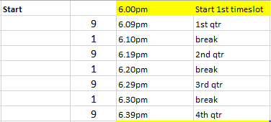
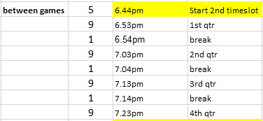
IWSNA 2018 SUMMER COMPETITION

6.00pm

 |  |  |  |  |  |  |  |  |  |  | 0 | Grass

6.00pm
 | 10 Div 2 | 10 Div 3 | 10 Div 4 | 11 Div 2 | 11 Div 3 | 12 Div 3 | 12 Div 4 | 13 Div 2
 | BNC Citrines | FDAS Cardinals | BNC Aquamarines | BNC Topaz | ANC Swans | ANC Opals | BNC Larimars | BUNC Rockets
 | GNC FJ's | FDAS Dragons | BNC Red Garnets | BUNC Stars | BNC Blue Zircons | BNC Rubies | GNC Geminis | GNC Trailblazers
 | HNC Starlings | FDAS Fawns | BNC Zircons | FDAS Diamonds | GNC Novas | FDAS Merlins | HNC Penguins | LWNC Red Skins
 | HNC Tornados | HNC Coyotes | LWNC Black Bursts | FDAS Rubies | LWNC Black Blitz | HNC Pixies | LWNC Black Diamonds | LWNC White Angels
 | LWNC Black Flares | HNC Swans | LWNC Red Giants | HNC Legends | SHLNC Kookas | HNC Wombats | SHLNC Larks | RNC Darters
 | TNC Lions | TNC Highlanders | SHLNC Quokkas | LWNC Black Thunder | SHLNC Ravens | LWNC Red Rubies | TNC Kittens | SCHOLS Yellow |  | 0 | Grass
 | 3 | 3 | 3 | 3 | 3 | 3 | 3 | 3 |  | 24 | Asphalt
6.44pm
 | 10 Div 1 | 11 Div 1 | 12 Div 1 | 12 Div 2 | 13 Div 1 | 13 Div 3 | 14 Div 1 | 14 Div 3 | 15 Div 2
 | ANC Ravens | ANC Wrens | LWNC Red Cheetahs | BNC Onyx | ANC Emeralds | SCHOLS Blue | HNC Primaries | FDAS Kites | BNC Opals
 | BNC Jaspers | BNC Pacific Opals | SHLNC Wagtails | BNC Corals | FDAS Harriers | ANC Gypsies | RNC Kookaburras | GNC Jackaroos | HNC Jewels
 | FDAS Jewels | LWNC Red Cyclones | TNC Hunters | Arrow Dynamics | HNC Rebels | BUNC Thunder | BUNC Berries | HNC Sapphires | SHLNC Gliders
 | FDAS Sea Eagles | SHLNC Possums | HNC Berries | BNC White Opals | BNC Blue Sapphires | FDAS Jaspers | GNC Sparks | SCHOLS Red | SHLNC Lyrebirds
 | LWNC Black Ninjas | HNC Jaguars | HNC Titans | BUNC Hot Shots | FDAS Crystals | RNC Falcons | HNC Lightn’ |  | TNC Double A Cats
 | LWNC Red Comets |  | TNC Stalkers | HNC Sherbets | FDAS Firetails | SCHOLS Aqua | LWNC Red Stripes |  |  | 3 | Grass
 | 3 | 2 | 3 | 3 | 3 | 3 | 3 | 2 | 2 | 24 | Asphalt
7.28pm
14 Div 2 | 15 Div 1 | 15 Div 3 | Cadet 3 | Div 2 | Div 5 | Div 7
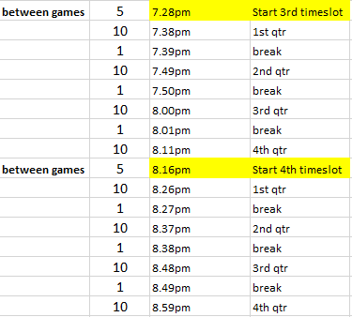
ANC Diamonds | FDAS Unicorns | HNC The Stars | SHLNC Wallabies | BUNC Ravens | ANC Doves | ANC Ladies of Summer
FDAS Finches | LWNC Blackberries | HNC Clovers | ANC Jaspers | GNC Calibras | BUNC Barracudas | GNC Zirconias
FDAS Ravens | SCHOLS Green | LWNC Black Spots | BUNC Dodgers | Sapphires Blue | TNC Ocelots | LWNC Black Ravens
GNC Barinas | SHLNC Dolphins | SCHOLS Pink | GNC Statesman | TNC Aristocats | BWNC Archangel | LWNC Black Ladybirds
HNC Jaffas | LWNC Red Sox | SCHOLS Orange | LWNC Blackbirds | BNC Shiraz | GNC Vectras
RNC Bluebirds | RNC Finches |  |  | Schols Seniors | ANC Flugels
3 | 3 | 2 | 2 | 3 | 3 | 2 |  |  |  |  | 18 | Asphalt
8.16pm
Cadet 1 | Cadet 2 | Cadet 4 | Div 1 | Div 3 | Div 4 | Div 6
HNC Jets | ANC Jesters | BNC Diamonds | ANC Rebels | GNC Caprice | GNC Berlinas | ANC Dodgers
LWNC Redbellies | GNC Monaros | HNC Stampede | BWNC Moonstar | ANC Angels | HNC Lions | BUNC Cheetas
FDAS Roosters | RNC Lorikeets | RNC Eagles | GNC Captivias | Summer Vino's | HNC Whiskers | HNC Hotshots
HNC Hurricanes | TNC Tassies | SCHOLS Purple | HNC Cheetahs | SHLNC Phoenix | PRUNC Mocktails | TNC Wildcats
SCHOLS Teal | FDAS Garnets |  | SHLNC Kingfishers | WMNC Black Swans | GNC Volts | BUNC All Stars
 | HNC Hawks |  | FDAS Flyers | SCHOLS White | HNC Hustlers | GNC Cruze
2 | 3 | 2 | 3 | 3 | 3 | 3 |  |  |  |  | 19 | Asphalt

