Grades & Times
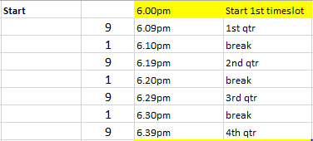
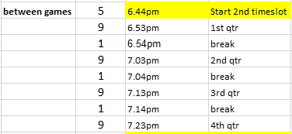
IWSNA 2017 SUMMER COMPETITION

6.00pm
8 Black | 8 White
BNC Tahiti Pearls | FDAS COCKATOOS
FDAS RAINBOW RAVENS | HNC Lemurs
LWNC Black Bilbies | SHLNC Brolgas
SHLNC Echidnas | BNC Turquoise
FDAS KESTRELS | BNC Red Garnets
 |  |  |  |  |  |  |  |  |  |  |  | 4 | Grass
2 | 2
6.00pm
9 Silver | 10 Div 1 | 10 Div 3 | 11 Div 2 | 11 Div 3 | 12 Div 2 | 12 Div 4 | 13 Div 2 | 13 Div 3 | 13 Div 4 | 15 Div 3
BNC Blue Topaz | BNC Rose Diamonds | FDAS DIAMONDS | ANC Gems | BNC White Opals | ANC Finches | GNC Trailblazers | HNC Nomads | BNC Crystals | BNC Blue Sapphires | ANC Swifts
LWNC Black Bursts | FDAS SWIFTS | HNC Legends | HNC Berries | HNC Wombats | FDAS FIRETAILS | ANC Comets | FDAS FINCHES | FDAS RAVENS | FDAS KITES | LWNC Blackbirds
GNC Belmonts | LWNC Red Cyclones | LWNC Black Blitz | TNC Stalkers | SHLNC Larks | HNC Opals | BUNC Bombers | RNC Kookaburras | HNC Dolphins | HNC Jaffas | RNC Eagles
LWNC Red Suns | SHLNC Possums | LWNC Red Storm | FDAS BLUEBIRDS | BUNC Hot Shots | LWNC Red Skins | FDAS JASPERS | Schols Piranhas | RNC Bluebirds | LWNC Black Magic | Schols Starfish
HNC Swans | BNC Pacific Diamonds | SHLNC Bilbies | LWNC Red Heads | HNC Pixies | HNC Gazelles | HNC Siamese | GNC Barinas | SHLNC Rosellas | Schols Clownfish
TNC Pussycats |  | SHLNC Kookas | SHLNC Wagtails | LWNC Red Rubies |  |  |  |  |  |  | 7 | Grass
3 | 2 | 3 | 3 | 3 | 2 | 2 | 2 | 2 | 2 | 2 | 23 | Asphalt
6.44pm
9 Black | 9 White | 10 Div 2 | 11 Div 1 | 11 Div 4 | 12 Div 1 | 12 Div 3 | 13 Div 1 | 14 Div 1 | 14 Div 2 | 15 Div 2
BNC Jades | BNC Honey Opals | TNC Big Cats | BNC Corals | HNC Penguins | FDAS HARRIERS | BUNC Rockets | BUNC Berries | LWNC Red Sox | HNC Jewels | ANC Stars
BNC Gems | LWNC White Sparks | ANC Wrens | LWNC Red Cheetahs | BNC Rubies | FDAS FIREBIRDS | HNC Daises | FDAS UNICORNS | LWNC Blackberries | ANC Di-oblins | FDAS OPALS
FDAS SEA EAGLES | BUNC Dynamites | BNC Topaz | ANC Emeralds | BNC Garnets | LWNC Black Ice | ANC Gypsies | GNC Sparks | BNC Opals | HNC Predators | GNC Statesman
BNC Aquamarines | FDAS FAWNS | LWNC Black Thunder | FDAS OSPREYS | BNC Moonstones | SHLNC Hummingbirds | GNC Jackaroos | HNC Phoenix | RNC Finches | LWNC Black Spots | HNC Stampede
LWNC Red Comets | HNC Starlings | BNC Blue Zircons | LWNC Stripey Tigers | GNC Geminis | FDAS CRYSTALS | PRUNC Marshmallows | LWNC Red Stripes | GNC Cruze | SHLNC Lyrebirds | HNC Stingers
HNC Tornados | GNC Trax | BUNC Stars | BNC Star Sapphires | TNC Kittens |  |  |  | Schols Sharks | Schols Dolphins |  | 6 | Grass
3 | 3 | 3 | 3 | 3 | 2 | 2 | 2 | 3 | 3 | 2 | 23 | Asphalt
7.28pm
Div 1 | Div 4 | Cadet 1 | Cadet 3 | 15 Div 1
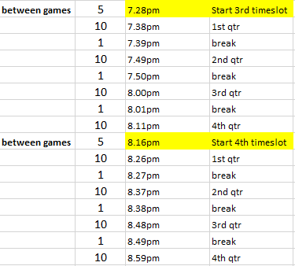
HNC Cheetahs | HNC Whiskers | ANC Smilers | BNC Diamonds | BNC Pearls
BWNC Vindicators | HNC Lions | FDAS ROOSTERS | FDAS KOOKABURRAS | BUNC Petals
GNC Captivas | JNC Joeys | LWNC NETFIT FUSION | RNC Hawkes | FDAS GARNETS
SHLNC Diamonds | GNC Volts | RNC Lorikeets | Schols Seahorses | HNC Hawks
FDAS FLYERS | GNC Toranas | SHLNC Wallabies | Schols Vipers | HNC Hurricanes
IWSNA Reps
3 | 2 | 2 | 2 | 2 |  |  |  |  |  |  |  | 11 | Asphalt
8.16pm
Div 2 | Div 3 | Div 5 | Cadet 2 | Div 6
BUNC Rebels | BUNC Crystals | BWNC Archangels | Schols Swordfish | GNC Vectras
FDAS SAPPHIRES | GNC Caprice | GNC Adventras | TNC Moggies | SHLNC Vincents
GNC Calibras | BNC Shiraz | JNC Jinx | BUNC Cheetas | BNC Black Sapphires
Sapphire Blues | PRUNC Mocktails | ANC Flugels | FDAS HAWKS | BUNC The Devils
TNC Calico Cats | HNC Wildcats | HNC Hyenas | HNC Lattes | BNC Akoya Pearls

2 | 2 | 2 | 2 | 2 |  |  |  |  |  |  |  | 10 | Asphalt

